Grapher
Regression Graph Creator: (Instructions: Enter all information for 1, 2, or 3 regression lines in the yellow highlighted cells.)

0.0000 | 0 | 0 | 0
0.0000 | 0 | 0 | 0
 |  | Line #1 | Line #2 | Line #3
Enter X Minimum:
Enter X Maximum:
Enter X Mean:
Enter Y Minimum:
Enter Y Maximum:
Enter Slope:
Enter Y-Intercept:
Enter Line Label:
Enter Y axis label:
Enter X axis label:
Enter Graph Title:
Enter minimum Y axis value:
Enter maximum Y axis value:

Calculations:
Predicted Y Minimum:
Predicted Y Maximum:
Y @ X = 0: |  | 0 | 0
Y @ X = maximum: |  | 0 | 0
Y @ X = Mean: |  | 0 | 0
X forPredicted Y minimum: |  | 0.0000 | 0.0000 | 0.0000
X for predicted Y maximum: |  | 0.0000 | 0.0000 | 0.0000

Line Intersections:
Line Pair |  | Intersect? | Intersection | Intersection within Graph Range?
Line 1 | Line 2
Line 1 | Line 3
Line 2 | Line 3

Example
Example: To see the process work, copy data in yellow box below to the yellow box in the Grapher tab.

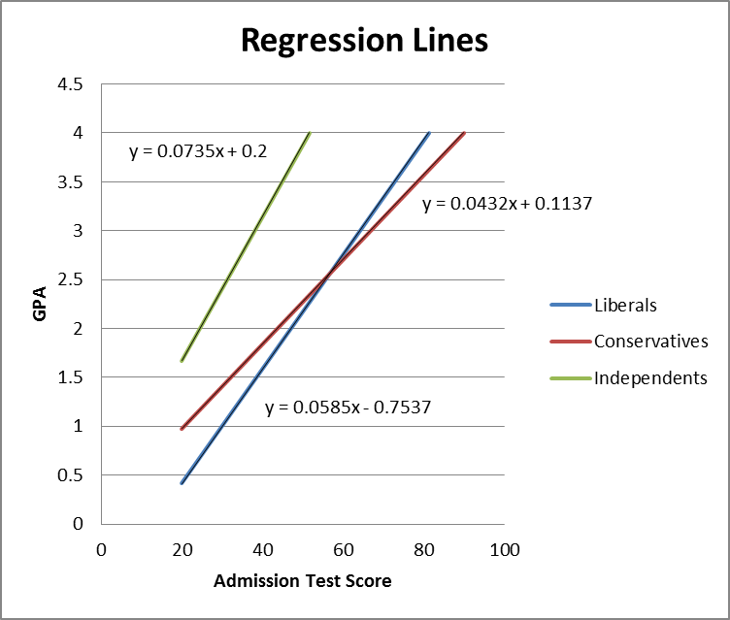
 |  | Line #1 | Line #2 | Line #3
Enter X Minimum: |  | 20 | 20 | 20
Enter X Maximum: |  | 100 | 100 | 100
Enter X Mean: |  | 65 | 60 | 55
Enter Y Minimum: |  | 0.5 | 0.5 | 0.5
Enter Y Maximum: |  | 4 | 4 | 4
Enter Slope: |  | 0.0585 | 0.0432 | 0.0735
Enter Y-Intercept: |  | -0.7537 | 0.1137 | 0.2
Enter Line Label: |  | Liberals | Conservatives | Independents
Enter Y axis label: |  | GPA
Enter X axis label: |  | Admission Test Score
Enter Graph Title: |  | Regression Lines
Enter minimum Y axis value: |  | 0
Enter maximum Y axis value: |  | 4

Calculations:
Predicted Y Minimum: |  | 0.4163 | 0.9777 | 1.67
Predicted Y Maximum: |  | 4 | 4 | 4
Y @ X = 0: |  | -0.7537 | 0.1137 | 0.2
Y @ X = maximum: |  | 5.0963 | 4.4337 | 7.55
Y @ X = Mean: |  | 3.0488 | 2.7057 | 4.2425
X forPredicted Y minimum: |  | 20.0000 | 20.0000 | 20.0000
X for predicted Y maximum: |  | 81.2598 | 89.9606 | 51.7007

Line Intersections:
Line Pair |  | Intersect? | Intersection | Intersection within Graph Range?
Line 1 | Line 2 | Yes | 2.5628294118 | Yes
Line 1 | Line 3 | Yes | -4.47313 | No
Line 2 | Line 3 | Yes | -0.0093415841584 | No

